Sheet1
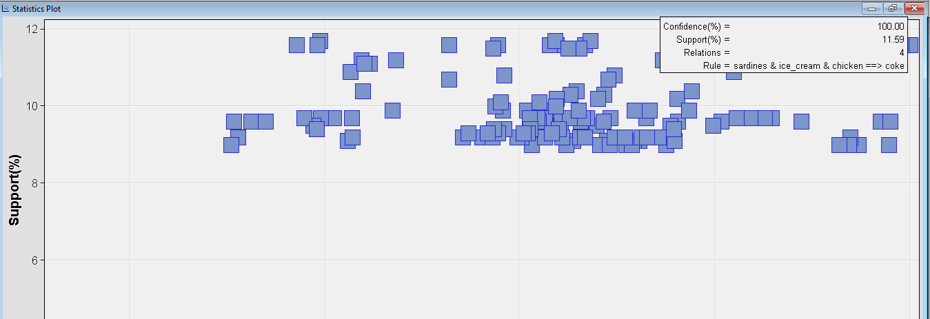
sardines & chicken ==> heineken & coke
ice_cream & chicken ==> heineken & coke
sardines & chicken ==> ice_cream & heineken
coke & chicken ==> sardines & heineken
ice_cream & chicken ==> sardines & heineken
coke & chicken ==> ice_cream & heineken
sardines & ice_cream ==> heineken & coke
sardines & coke ==> ice_cream & heineken
sardines & coke ==> heineken & chicken
sardines & ice_cream ==> heineken & chicken
cracker & artichoke ==> heineken & ham
cracker & avocado ==> heineken & ham
ham & artichoke ==> heineken & avocado
soda & bourbon ==> olives & heineken
sardines ==> ice_cream & heineken & chicken
coke ==> sardines & heineken & chicken
coke ==> ice_cream & heineken & chicken
coke ==> sardines & ice_cream & heineken
ham & avocado ==> heineken & artichoke | Top rule with 100% confidence

